Sheet1
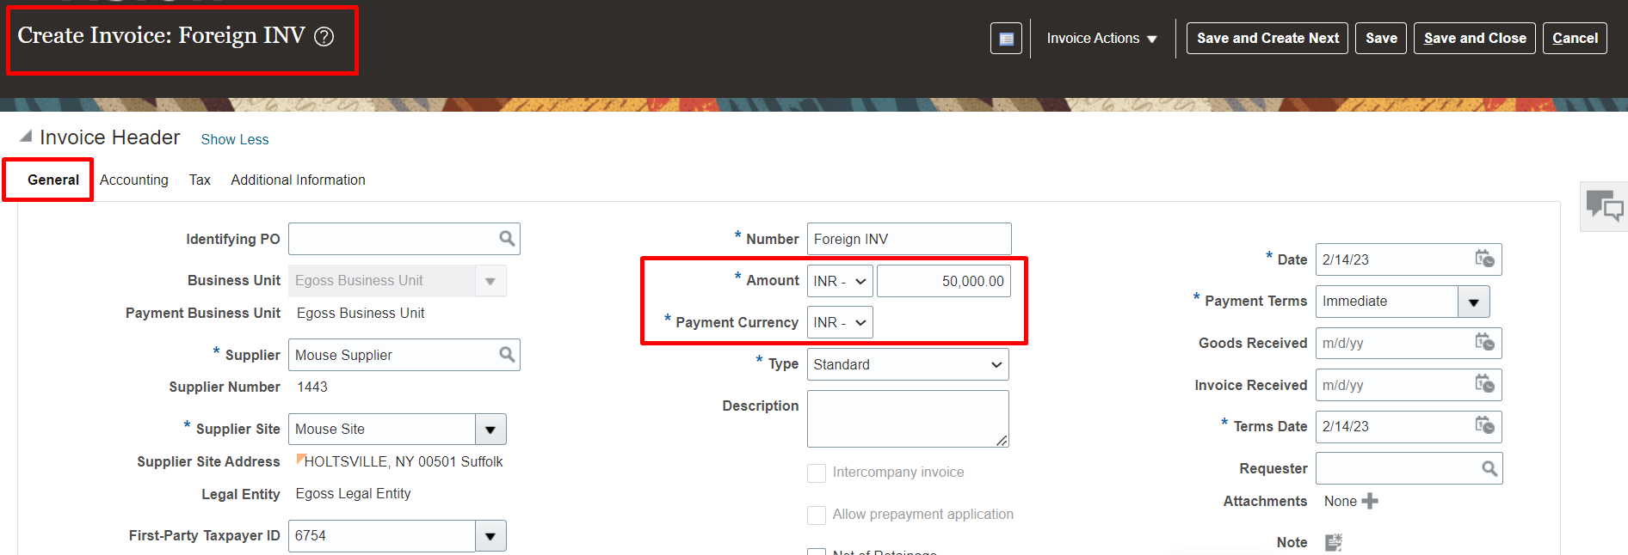
Foreign Currency Invoice & Payment Configuration & Process
Definitions of Rates
Daily Rates | If organisation is using rate at particular day it is called as daily rate. It is only for one day
Corporate Rates | If organisation is using corporate rate it can be more than one day
Spot Rates | It is ideally used in stock exchanges and it is known as spot rates

Setups
1. Define conversion/Daily rates (USD - INR) | Task | Manage Daily Rates | This can be done only through spreadsheet
2. Enable Bank Account as "Multi Currency Account". | Task | Manage Bank Accounts | Here at general tab in additional information enable checkbox called as "multicurrency account"

Process
1. Create Invoice in INR (Foreign Currency) | Path | Payables >> Invoices >> Task pane >> Create Invoices | Here create invoice in foreign currency (INR)
2. Process Payment in INR | Path | Payables >> Payments >> Task pane >> Create Payment | Here make the payment in foreign currency (INR)

Setups
1. Define Conversion/Daily Rates
Task: Manage Daily Rates
*To create daily rates clickon "Create in Spreadsheet" and create the daily rates. Search the daily rates in search section
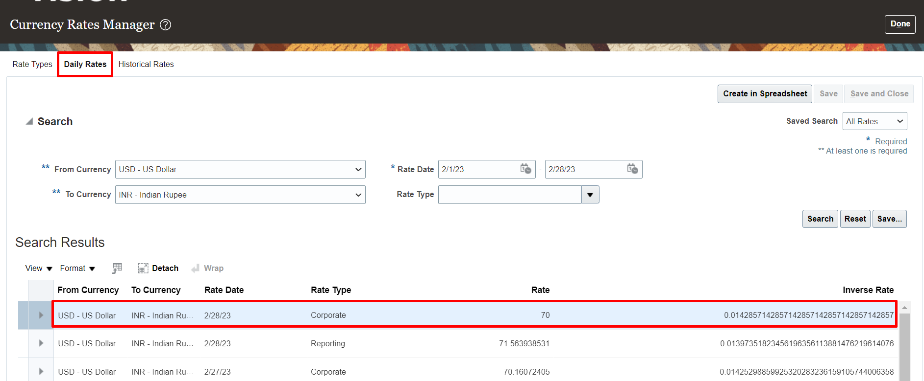

2. Enable Bank Account as "Multi Currency Account".
Task: Manage Bank Accounts
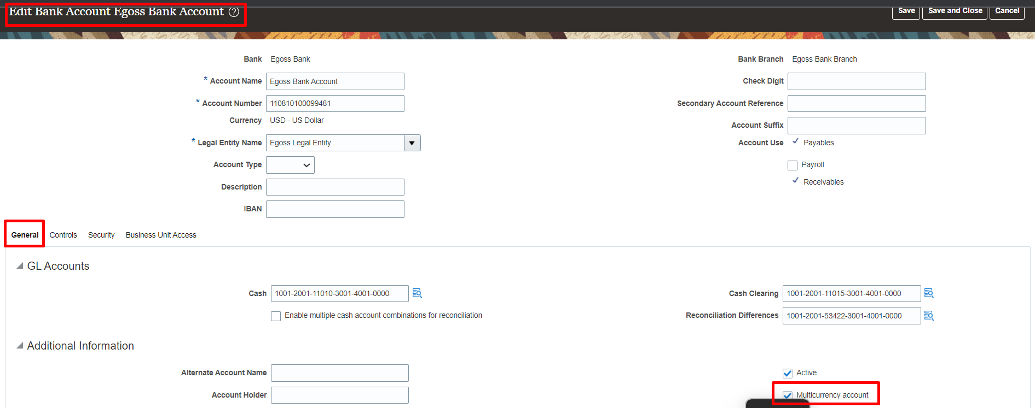

Process
1. Create Invoice in INR (Foreign Currency)
Path: Payables >> Invoices >> Task pane >> Create Invoices
*Here create invoice in foreign currency (INR)
*Here we can see that both payment and invoice currency is in INR
*Process the payment for this invoice and transfer accounting entries to GL.

